🔑 KEY Criticality Criteria
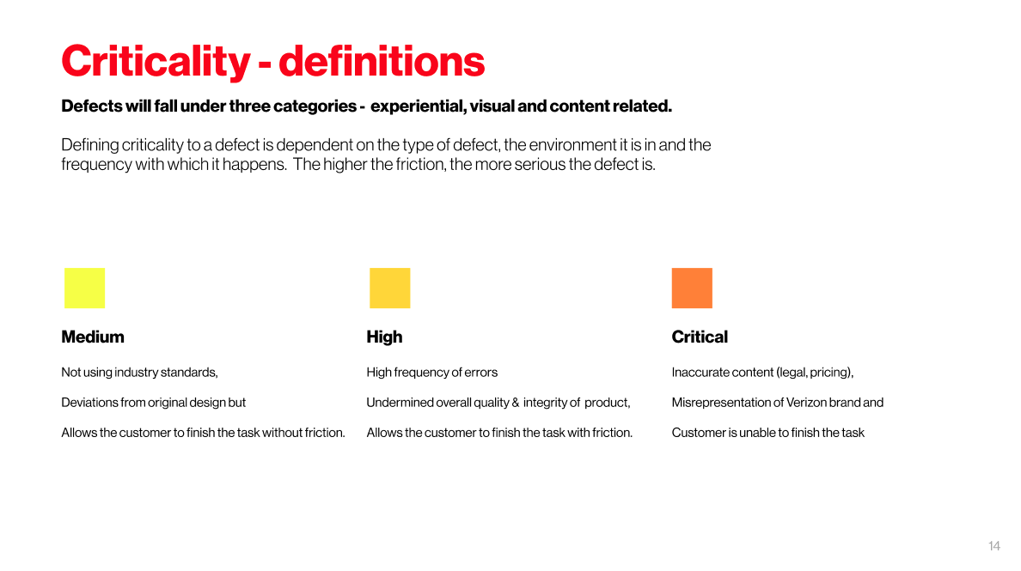 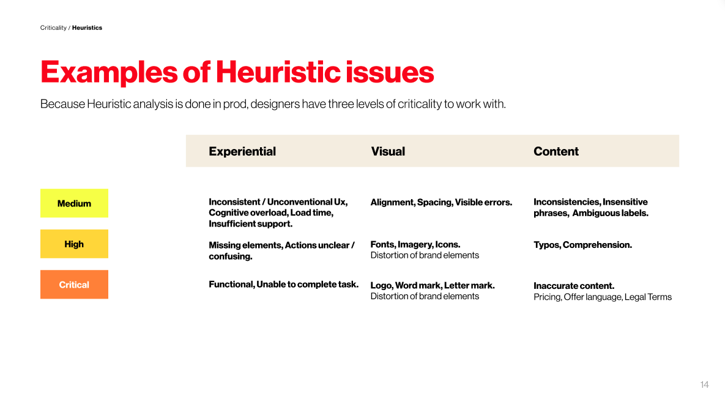

📊 Verizon Results
Issues and Criticality by Competitor
 | Issues | Criticality
Verizon | 0 | 0
Competitor 1 | 0 | 0
Competitor 2 | 0 | 0
Competitor 3 | 0 | 0

Issue by criticality
Criticality
Medium | 0
High | 0
Critical | 0

Issues by category
Category
Content | 0
Visual | 0
Experiential | 0

